Dummydata
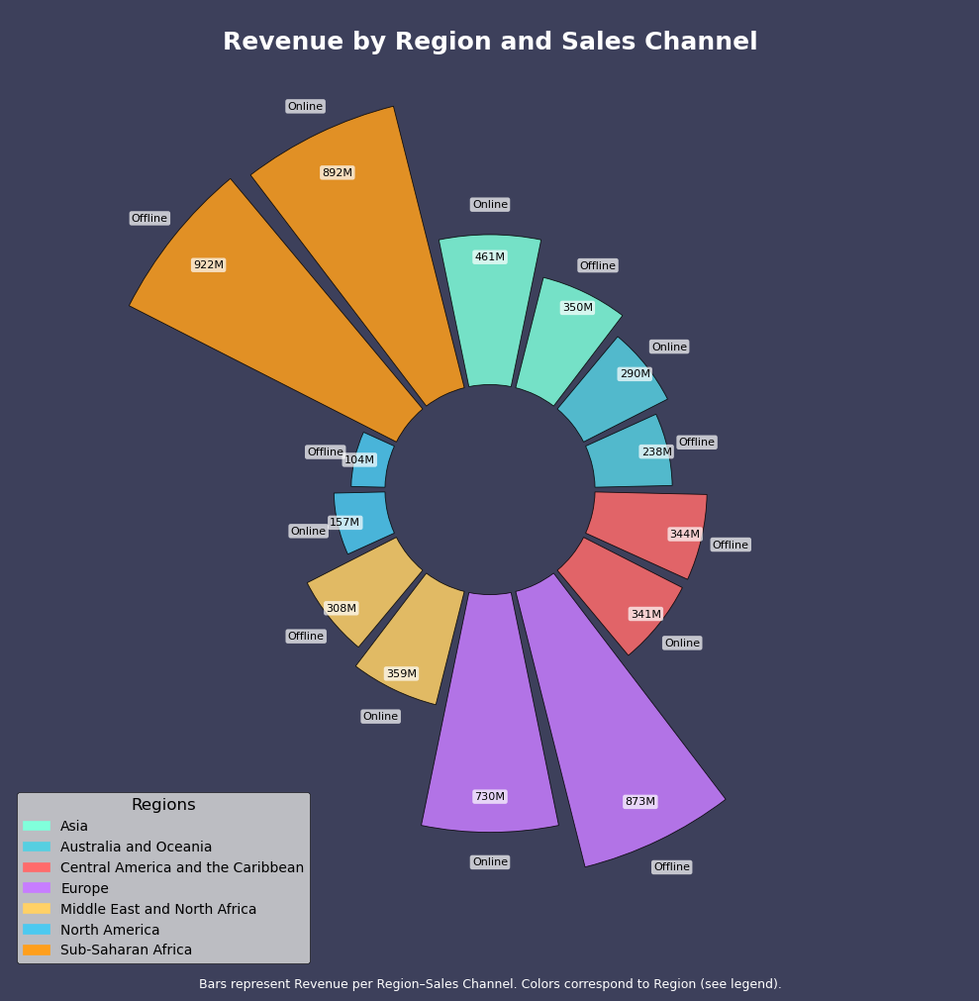
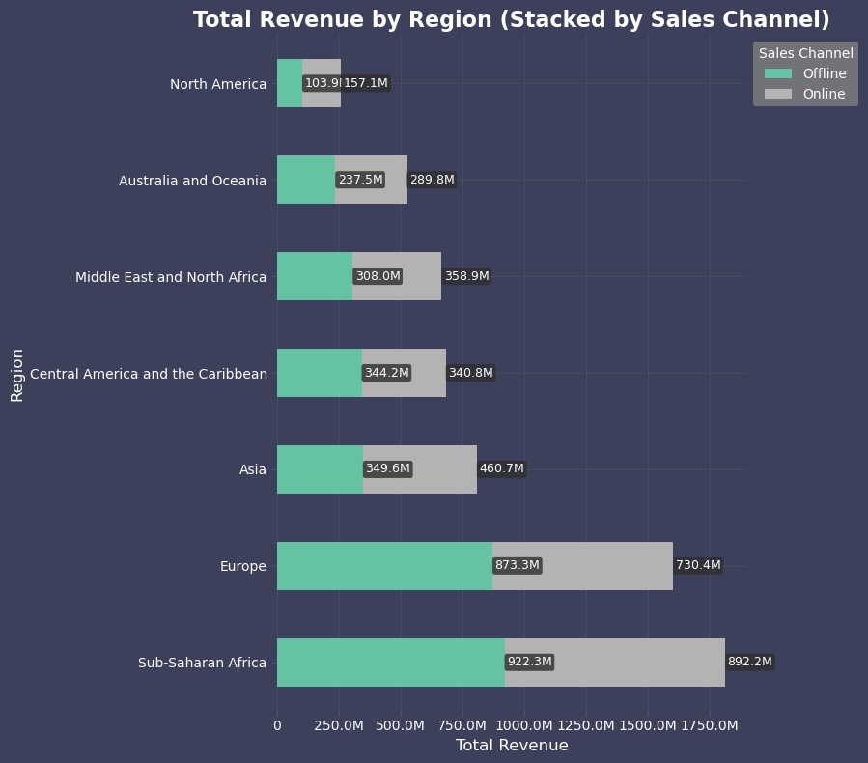
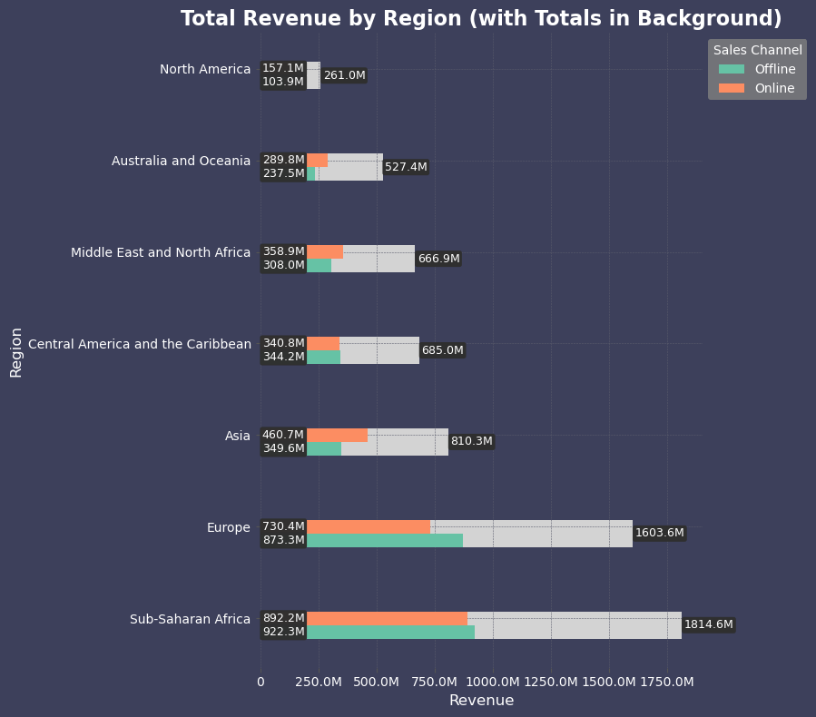
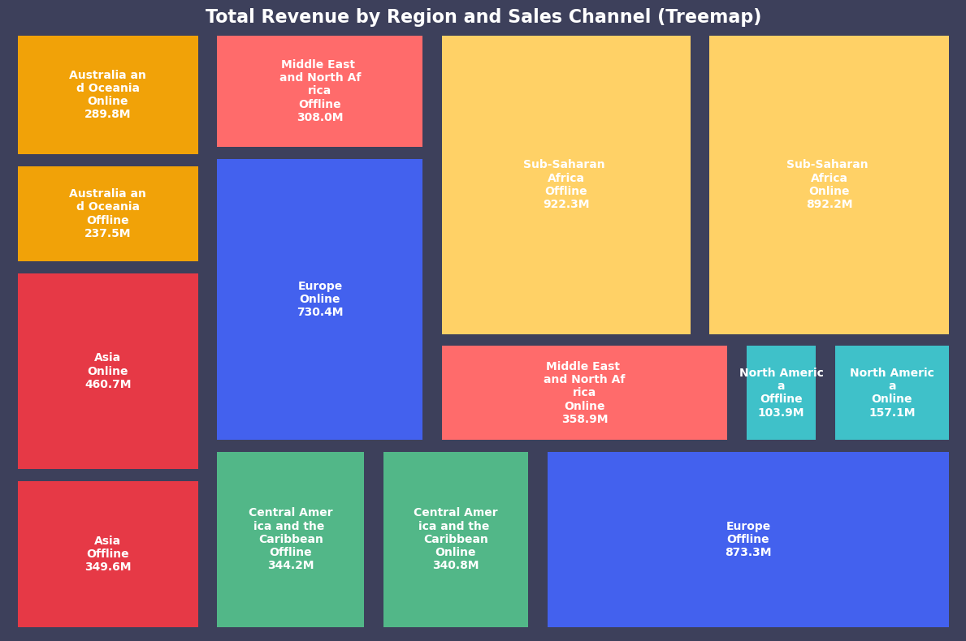
Region | Sales Channel | Revenue
Asia | Offline | $349,555,166
Asia | Online | $460,721,920
Australia and Oceania | Offline | $237,538,136
Australia and Oceania | Online | $289,825,953
Central America and the Caribbean | Offline | $344,171,723
Central America and the Caribbean | Online | $340,804,600
Europe | Offline | $873,253,614
Europe | Online | $730,368,784
Middle East and North Africa | Offline | $308,000,821
Middle East and North Africa | Online | $358,866,957
North America | Offline | $103,928,603
North America | Online | $157,085,649
Sub-Saharan Africa | Offline | $922,331,121
Sub-Saharan Africa | Online | $892,236,161

